Instructions
Introduction

Risk management matrices are one of the most commonly used tools for analysing a business' potential risks by
ranking risks by two separate dimensions: Probability of an adverse event occuring & Impact/Severity of outcome after the event has occurred.

Impact/Severity - The potential impact on a business or project if an adverse event occurs:
Ranked between: Trivial (1), Minor (2), Moderate (3), Major (4) and Extreme (5).

Probability of an adverse event occuring:
Ranked between: Rare (1), Unlikely (2), Moderate (3), Likely (4) and Very Likely (5)

Risk Rating/Outcome - measured between Low, Medium & High, or colour coded (RAG Rated): Green, Amber & Red

Low/Green - Risk Accepted. No action needs to be taken
Medium/Amber - Potential for an incident to occur. Action needs to be taken and additional control measures identified
High/Red - Unnaceptable Risk. Immediate action to be taken to reduce Risk Levels

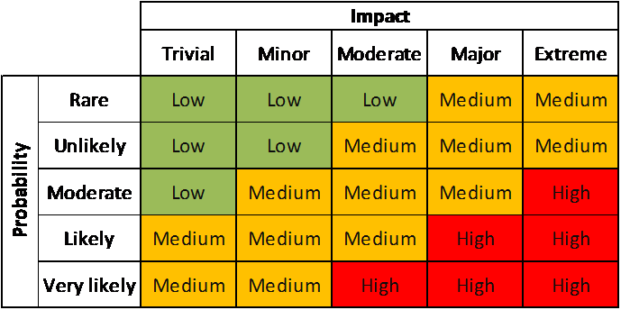

Completing Risk Register (Sheet Two)

Column B: Insert details of current control measures in place
Column C: Taking the information from the above Matrix and using the drop down box at the top of Column C, select: Rare, Unlikely, Moderate, Likely or Very Likely
Column D: Taking the information from the above Matrix and using the drop down box at the top of Column D, select: Trivial, Minor, Moderate, Major or Extreme
Column E: Taking the information from the above Matrix and using the drop down box at the top of Column E, select: Green, Amber or Red
Column F: Insert details of additional control measures to be put in place to reduce RAG rating from Red to Amber or Green, or Amber to Green
Column G: After identifying additional control measures, use the drop down box at the top of Column G to select: Green, Amber or Red

